MAN
 | BKKS |  |  | OFFER
 |  |  |  | 5.000 box
 |  | bi-pack |  | 10.72
 |  | tri-pack |  | 17.46
 |  | T-shirt single pack |  | 10.72
 |  | T-shirt bi pack |  | 15.13

 |  |  |  |  |  |  | BIKKEMBERGS UNDERWEAR
SERIE | SKETCH | CODE | COLOR | STYLE | PACKAGING | RRP | S | M | L | XL | XXL | TOT | 5.000 Box | >5.000 Box
ELEGANCE | 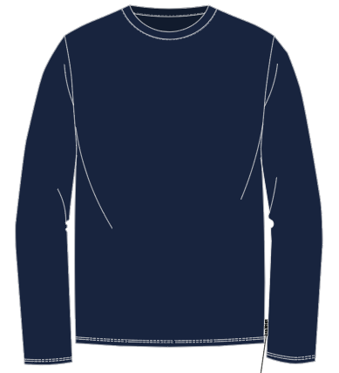 | BKK1UTL10SI | NAVY | T-SHIRT (CREW NECK) | SINGLE PACK | 34.90 € | 7 | 19 | 24 | 24 | 7 | 81 | 69.28% | 100.00%
ELEGANCE | 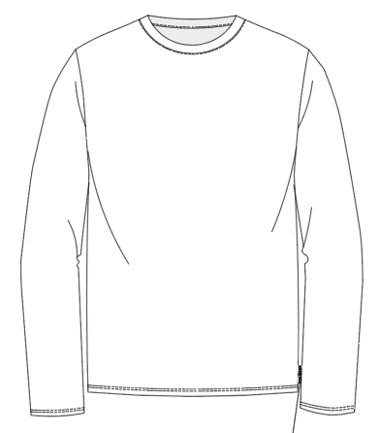 | BKK1UTL10SI | WHITE | T-SHIRT (CREW NECK) | SINGLE PACK | 34.90 € | 6 | 9 | 6 | 6 | 2 | 29 | 69.28% | 100.00%
ELEGANCE | 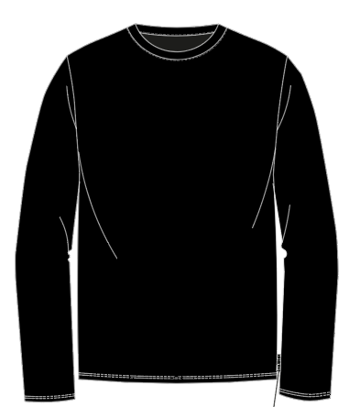 | BKK1UTL10SI | BLACK | T-SHIRT (CREW NECK) | SINGLE PACK | 34.90 € | 15 | 26 | 26 | 28 | 7 | 102 | 69.28% | 100.00%
SPORTY | 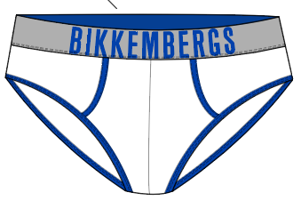 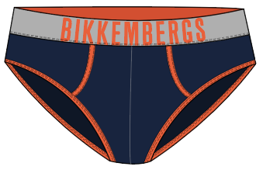 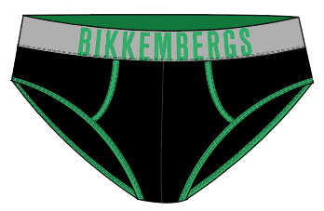 | BKK1USP12TR | WHITE BRILLIANT BLUE - NAVY GOLDEN POPPY - BLACK BLARNEY | BRIEF | TRIPACK ASSORTED PER SIZE | 34.90 € |  |  |  |  |  | 0 | 49.96% | 100.00%
SPORTY | 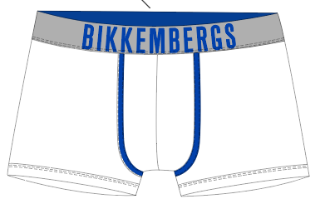 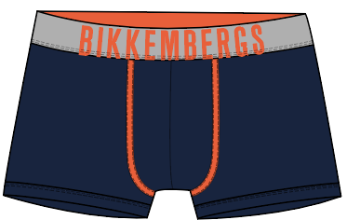 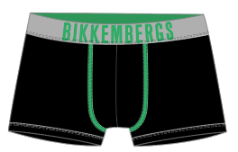 | BKK1UTR12TR | WHITE BRILLIANT BLUE - NAVY GOLDEN POPPY - BLACK BLARNEY | TRUNKS | TRIPACK ASSORTED PER SIZE | 37.50 € | 47 | 8 | 27 | 66 | 13 | 161 | 53.43% | 100.00%
CLASSIC |  | BKK1USP02TR | WHITE | BRIEF | TRIPACK | 34.90 € | 12 | 52 | 56 | 32 | 12 | 164 | 49.96% | 100.00%
 |  | BKK1USP02TR | GREY MELANGE | BRIEF | TRIPACK | 34.90 € | 5 | 15 | 40 | 15 | 5 | 80 | 49.96% | 100.00%
 |  | BKK1USP02TR | NAVY | BRIEF | TRIPACK | 34.90 € | 94 | 276 | 280 | 172 | 76 | 898 | 49.96% | 100.00%
 |  | BKK1USP02TR | BLACK | BRIEF | TRIPACK | 34.90 € | 100 | 310 | 304 | 188 | 80 | 982 | 49.96% | 100.00%
 | 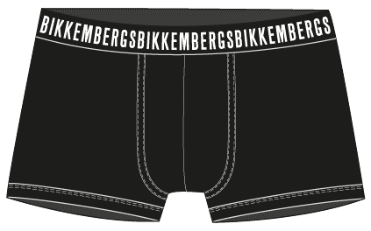 | BKK1UTR02TR | WHITE | TRUNK | TRIPACK | 37.90 € | 22 | 66 | 66 | 40 | 12 | 206 | 53.93% | 100.00%
 |  | BKK1UTR02TR | GREY MELANGE | TRUNK | TRIPACK | 37.90 € | 4 | 24 | 24 | 18 | 4 | 74 | 53.93% | 100.00%
 |  | BKK1UTR02TR | NAVY | TRUNK | TRIPACK | 37.90 € | 231 | 495 | 483 | 351 | 156 | 1716 | 53.93% | 100.00%
 |  | BKK1UTR02TR | BLACK | TRUNK | TRIPACK | 37.90 € | 186 | 576 | 579 | 381 | 177 | 1899 | 53.93% | 100.00%
CLASSIC | 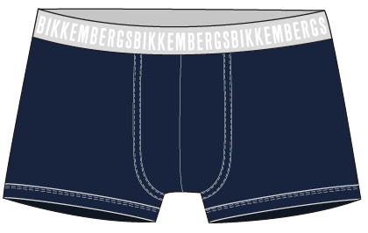 | BKK1UTR02BI | NAVY | TRUNK | BIPACK | 27.90 € | 50 | 56 | 66 | 26 | 6 | 204 | 61.58% | 100.00%
CLASSIC |  | BKK1UTR02BI | BLACK | TRUNK | BIPACK | 27.90 € | 55 | 80 | 110 | 45 | 15 | 305 | 61.58% | 100.00%
FASHION BICOLOR |  | BKK1USP04 TR | MIX COLOR WHITE - NAVY - BLACK | BRIEF | TRIPACK | 27.90 € | 84 | 426 | 429 | 249 | 66 | 1254 | 37.41% | 100.00%
 |  | BKK1UTR04TR | MIX COLOR WHITE - NAVY - BLACK | TRUNK | TRIPACK | 32.90 € | 153 | 543 | 504 | 312 | 114 | 1626 | 46.92% | 100.00%
FASHION COTTON | 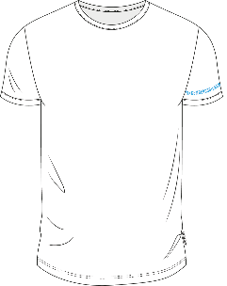 | BKK1UTS09BI | WHITE | T-SHIRT (CREW NECK) | BIPACK | 39.90 € | 34 | 52 | 48 | 18 | 2 | 154 | 62.08% | 100.00%
FASHION COTTON | 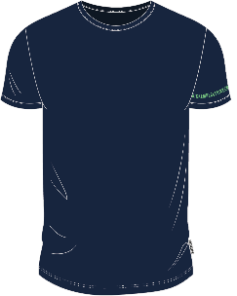 | BKK1UTS09BI | NAVY | T-SHIRT (CREW NECK) | BIPACK | 39.90 € | 20 | 22 | 26 | 6 |  | 74 | 62.08% | 100.00%
FASHION COTTON | 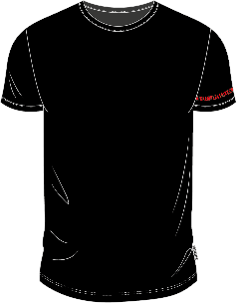 | BKK1UTS09BI | BLACK | T-SHIRT (CREW NECK) | BIPACK | 39.90 € | 34 | 38 | 48 | 18 | 3 | 141 | 62.08% | 100.00%
 |  |  |  |  |  |  |  |  |  |  |  | 10150

